Sheet1
In title of exchange changed it to -> Output
White font with red button for delete indicator (Like add indicator)
Start and end time in am pm format

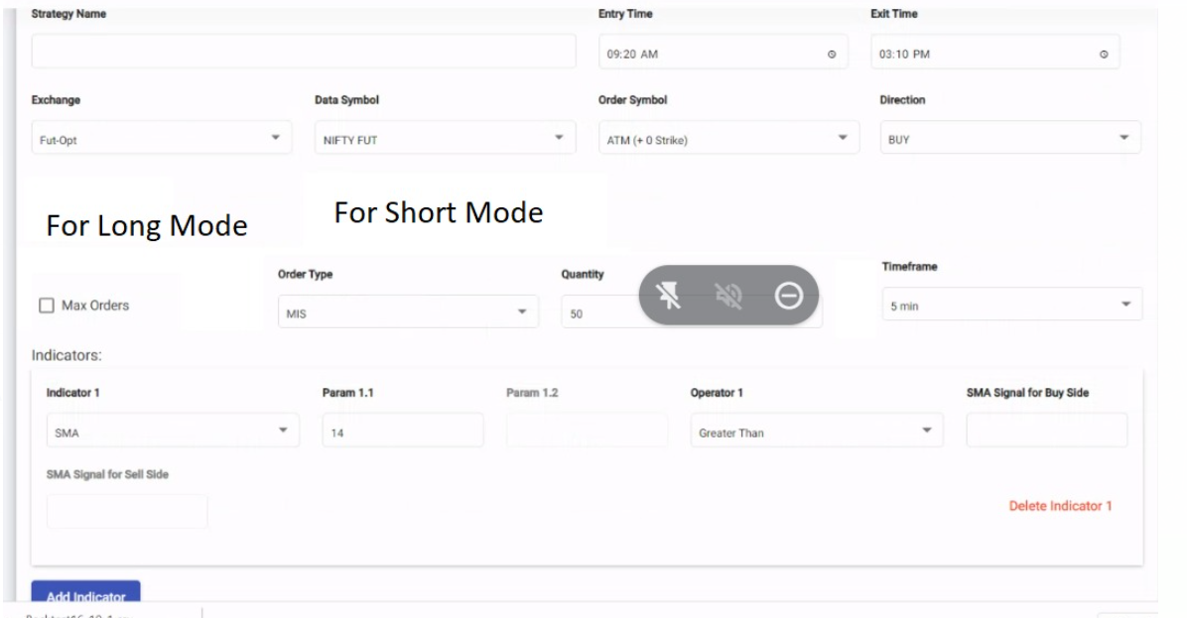

Before order symbol we will have Strike selection based upon tab -> Dropdown in this will show
 |  | 1 | Based on premium | If based on premium selected -> Value need to be inserted in order symbol. Greater than 0
 |  | 2 | Based on strike | If Based on strike is selected -> same as now in order symbol itm atm otm

Than there will be Long mode and short mode shown in pic

If direction is buy
If it is fut-fut than long mode only will be activated -> Dorpdown will be just 1
 | 1 | Long future
If it is fut opt than long mode only will be activated -> Dropdown will be
 | 1 | Long CE
 | 2 | Short PE
Same as For Opt-opt just like Fut-opt

If direction is sell
If it is fut-fut than short mode only will be activated -> Dorpdown will be just 1
 | 1 | short future
If it is fut opt than short mode only will be activated -> Dropdown will be
 | 1 | Short CE
 | 2 | Long PE
Same as For Opt-opt just like Fut-opt

Before quantity box there should be one box of Quantity Unit -> Dropdown in this will be 3
 | 1 | Portfolio Value
 | 2 | Order Value
 | 3 | Lots
In all above this in quantity box the value we have to right that data table formula will be given by sir

